Reference Map
File Name | Section / Use | Reference Size (px) | Composition / Placement | Visual Reference
hero_slide_1.reference.png | Hero Slide 1 | 1932 | 814 | 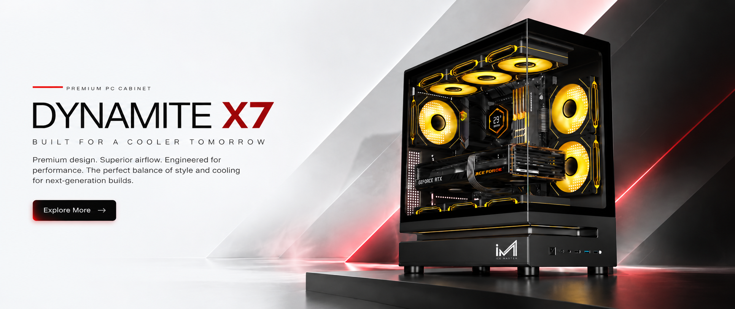 Wide hero composition; left copy / right product
hero_slide_2.reference.png | Hero Slide 2 | 1932 | 814 | 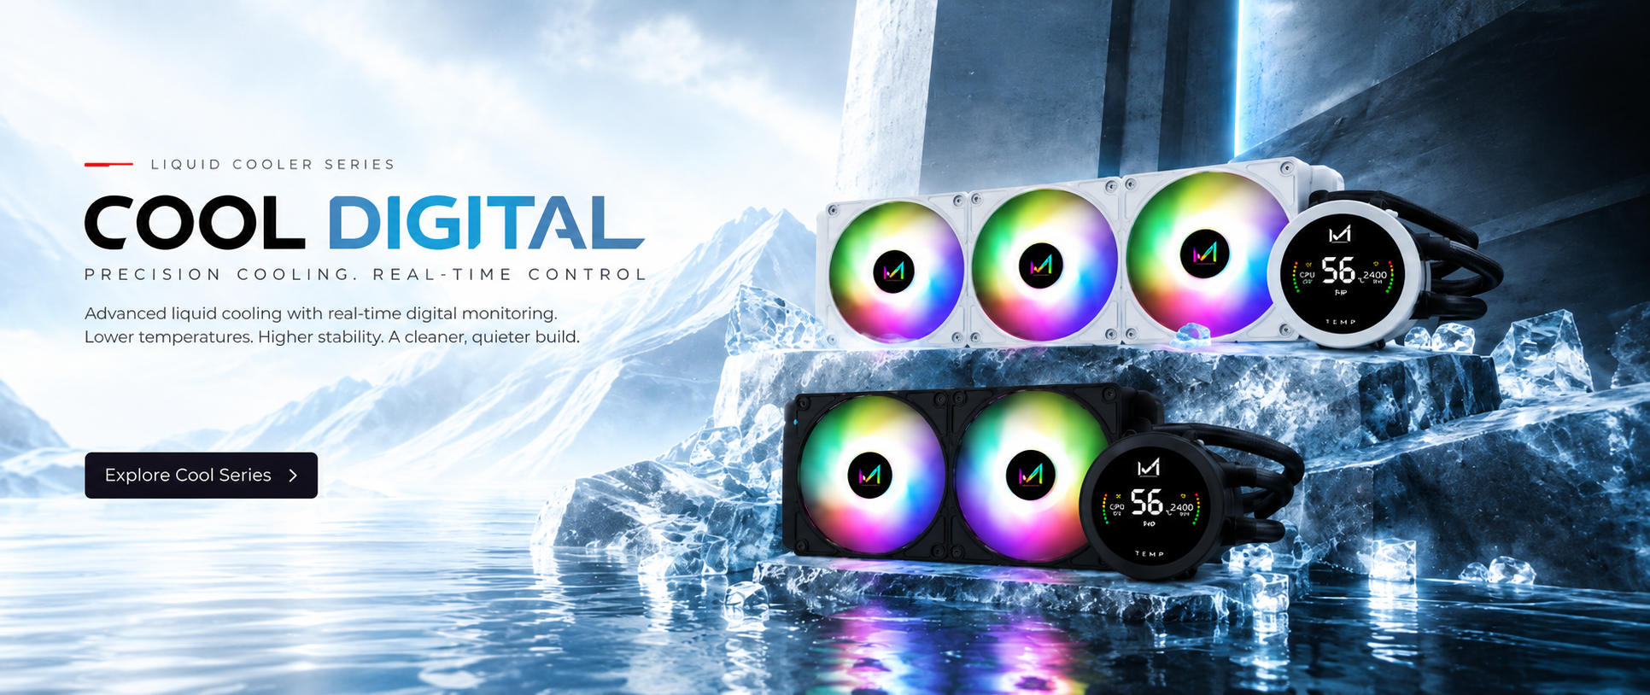 Wide hero composition; left copy / right product
categories_section.reference.png | Product Categories | 1994 | 789 | 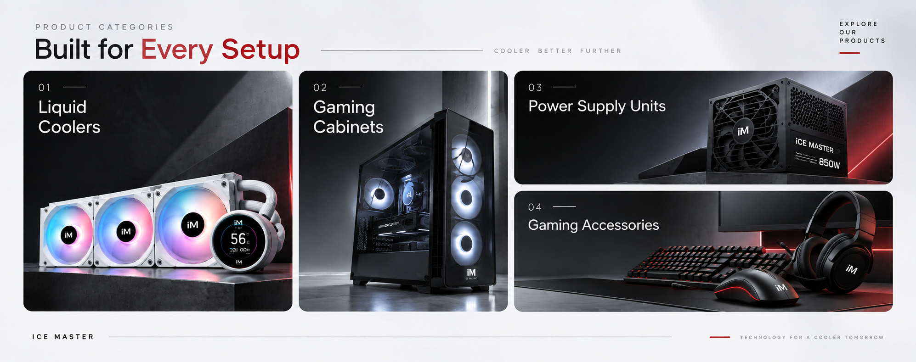 Light grid/card layout
headset_section.reference.png | Gaming Gear | 2046 | 769 | 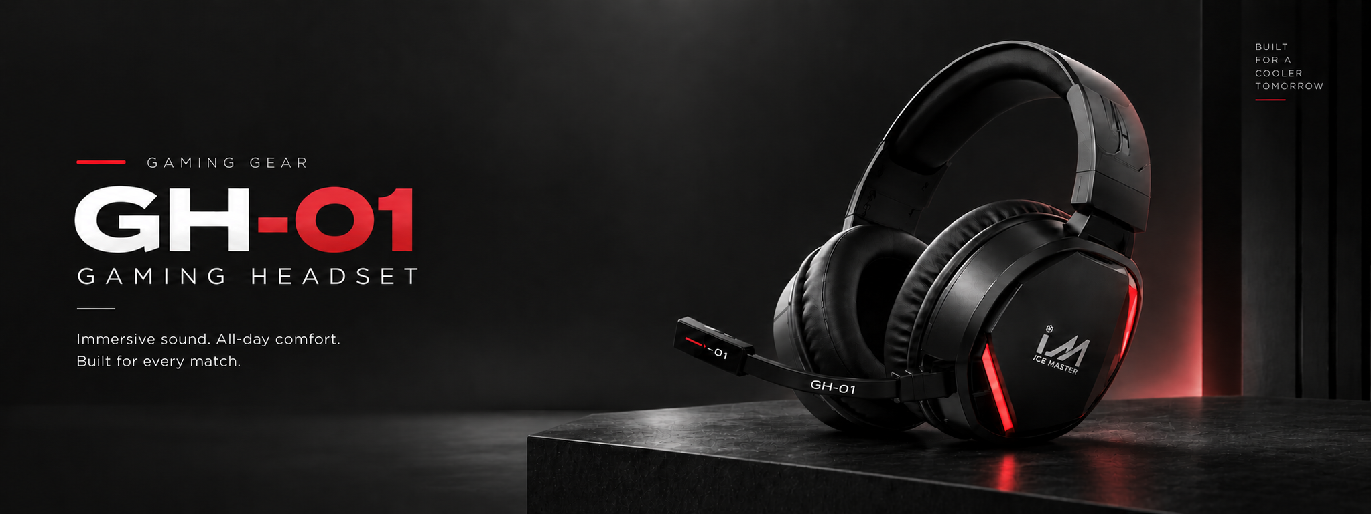 Dark split hero; copy left / product right
get_build_section.reference.png | Get Started / 3 Simple Steps | 1994 | 789 | 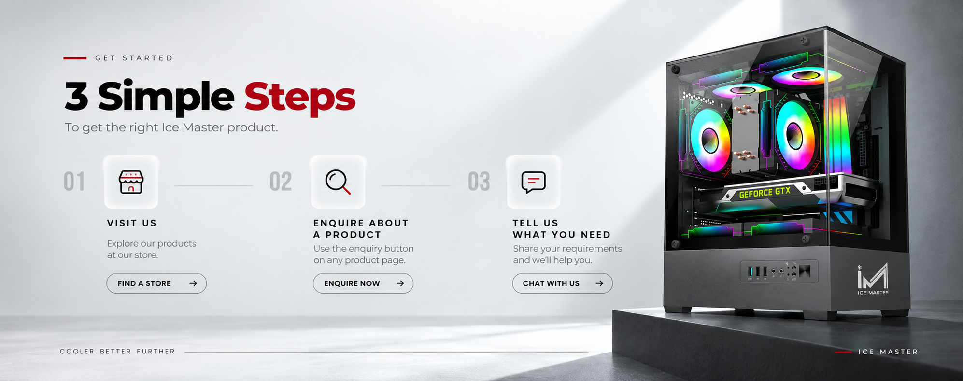 Light informational section; steps left / product right

